TestSummary
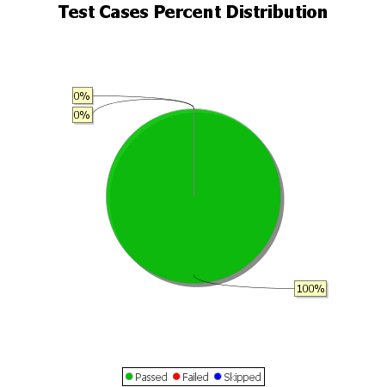
Total Test Cases | 20
Test Cases Passed | 20
Test Cases Failed | 0
Test Cases Skipped | 0

